Scenario Overview
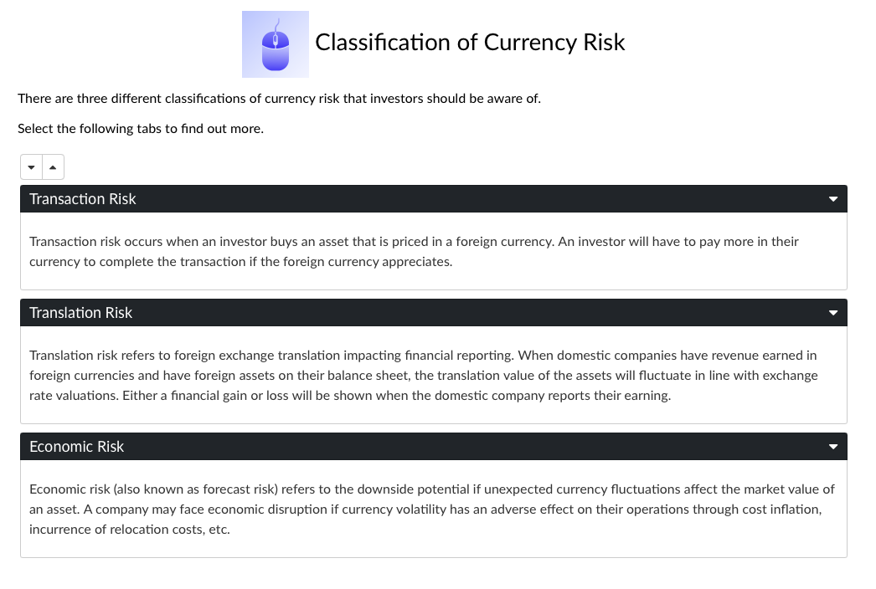

Notes On The Scenario

Initiating the position requires a spot transaction | Equity Investment
The $3m donation from benefactor | Initial USD Investment | 3,000,000
Converted at spot rate of 20 USD/MXN is 60m MXN | Initial MXN Value | 60,000,000

 | Currency Movement
Currency movement shows both USD appreciation and depreciation | Day | 0 | 15 | 30 | 45 | 60 | 75 | 90
Movement of USD/MXN over 90 days | Spot USD/MXN | 20.0000 | 20.4041 | 18.6009 | 17.8485 | 17.2052 | 20.3333 | 19.5000
Inverse rate of USD/MXN over 90 days | Spot MXN/USD | 0.0500 | 0.0490 | 0.0538 | 0.0560 | 0.0581 | 0.0492 | 0.0513

 | Fund Performance
NAV equally appreciates and depreciates over 90 days | Day | 0 | 15 | 30 | 45 | 60 | 75 | 90
NAV of fund is assumed to start at 100 | NAV of MXN fund | 100.00 | 100.56 | 103.94 | 84.15 | 75.83 | 85.88 | 87.56
Divide the MXN value of investment by 100 to get number of shares | Number of Shares | 600,000 | 600,000 | 600,000 | 600,000 | 600,000 | 600,000 | 600,000

 | Value of Investment
Comparing Value of Investment in MXN vs USD Terms | Day | 0 | 15 | 30 | 45 | 60 | 75 | 90
The value of the MXN investment is simply NAV x number of shares | Value of Investment (MXN) | 60,000,000 | 60,338,690 | 62,362,908 | 50,488,144 | 45,499,332 | 51,527,234 | 52,534,647
Converting this MXN value at spot shows value of investment in USD | Value of Investment (USD) | 3,000,000 | 2,957,185 | 3,352,679 | 2,828,708 | 2,644,509 | 2,534,136 | 2,694,084

 | Performance (rebased to 100)
Rebasing each MXN and USD investment value to 100 | Day | 0 | 15 | 30 | 45 | 60 | 75 | 90
Observing where the grey line crosses and deviates from the orange line | Value of Investment (MXN) | 100 | 101 | 104 | 84 | 76 | 86 | 88
Day 0-15: NAV grows but currency affects the USD investment return | Value of Investment (USD) | 100 | 99 | 112 | 94 | 88 | 84 | 90
Day 15-30: Currency works in favour of the investor
Day 30-60: Currency effect largely neutral
Day 60-75: USD investor does not enjoy rebound of fund performance
Investment performance
 | Value of Investment (MXN) | Value of Investment (USD)
0 | 100 | 100
15 | 101 | 99
30 | 104 | 112
45 | 84 | 94
60 | 76 | 88
75 | 86 | 84
90 | 88 | 90
Day 75-90: Currency effect largely neutral, end period slightly up

